Duct Flow
Duct loss due to wall friction (circular duct, air at 20 C)
 | (Ref: FDS Technical Reference Guide, NIST Special Publication 1018)

This software is provided as is, and no claim is made as to the accuracy or suitability of this software. The user takes full and exclusive responsibility for using this software.
Please report any errors to: support@thunderheadeng.com
Input
 | Dia = | 0.3048 | m
 | Flow = | 1 | m^3/s
 | Roughness (ε)= | 0.001 | m
 | Length = | 1 | m
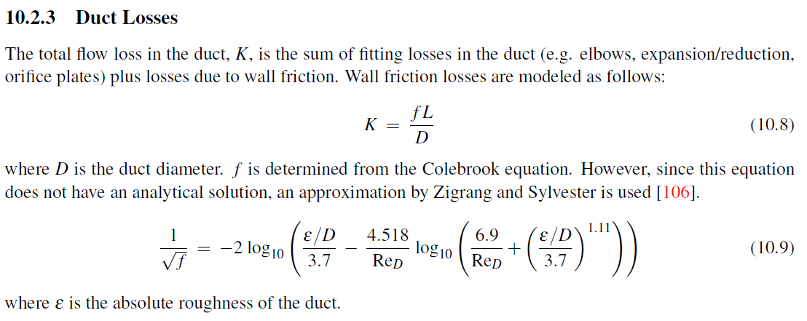
 | Vent Area = | 0.16 | m^2

 | Kinematic Visc = | 1.51E-05 | m^2/s
 | Re = | 276458.97381
 | Density = | 1.205 | kg/m^3
 | Duct Area = | 0.07296587699 | m^2
 | Duct Vel = | 13.705036399 | m/s
 | RHS = | 6.0522110684
 | f = | 0.027300579709

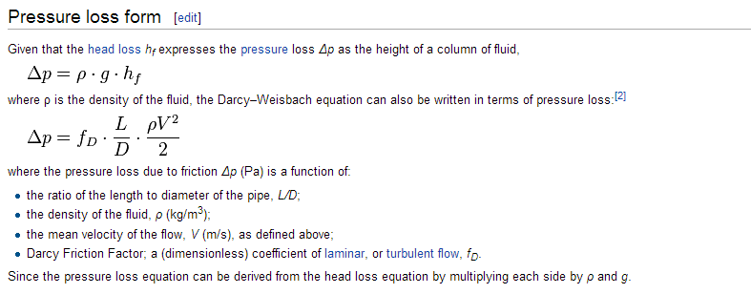
Calculated Flow Parameters
 | K = | 0.089568831066
 | Pressure Loss = | 10.136180701 | Pa
 | Vent Velocity = | 6.25 | m/s
 | Mass Flow Rate = | 1.205 | kg/s

